Print Page 1
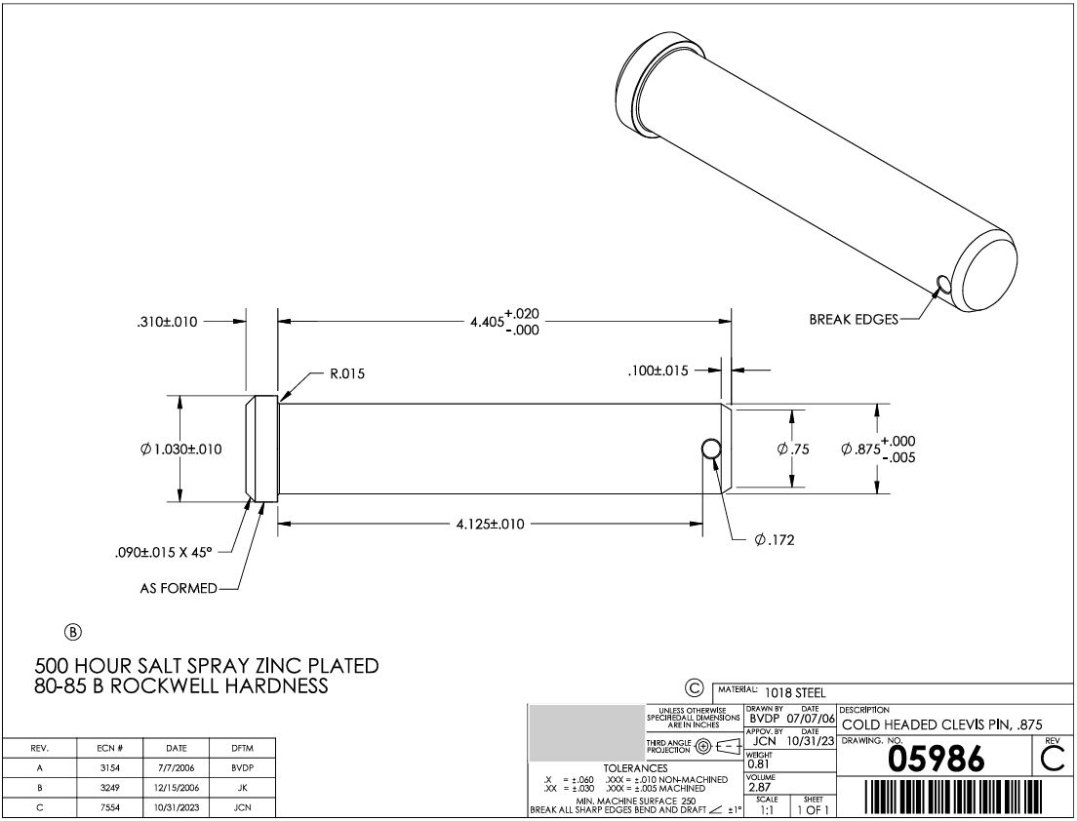

3
4

10
9

2
8
1

7a
7b
6
5

